Funding Over Time
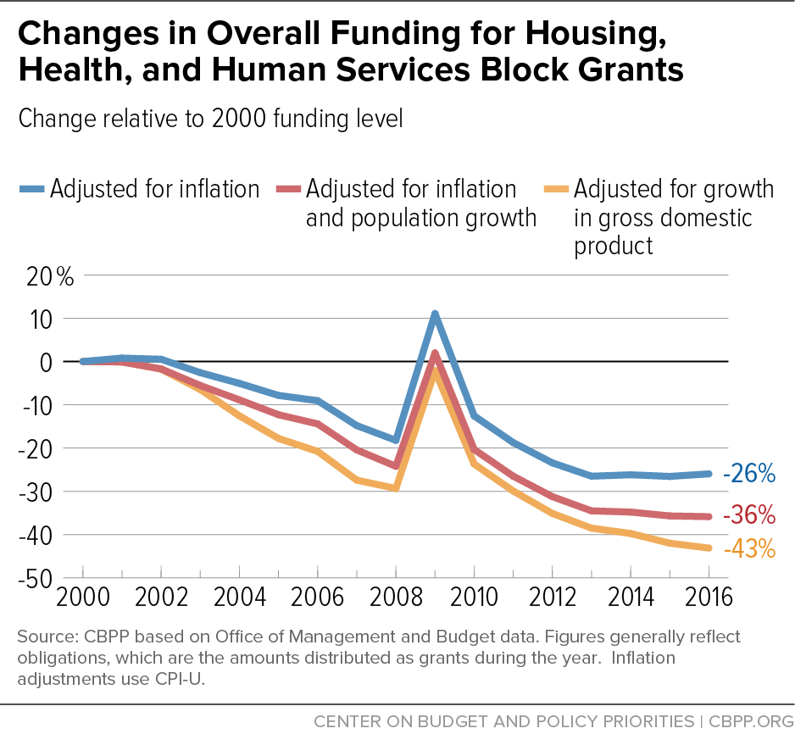

Funding relative to 2000
 | 2000 | 2001 | 2002 | 2003 | 2004 | 2005 | 2006 | 2007 | 2008 | 2009 | 2010 | 2011 | 2012 | 2013 | 2014 | 2015 | 2016
CPI | 100.00 | 100.79 | 100.52 | 97.42 | 94.94 | 92.16 | 90.95 | 85.19 | 81.78 | 111.07 | 87.43 | 81.26 | 76.57 | 73.49 | 73.82 | 73.44 | 74.03
CPI + Pop | 100.00 | 99.88 | 98.28 | 94.46 | 91.13 | 87.70 | 85.58 | 79.56 | 75.78 | 101.97 | 79.67 | 73.49 | 68.76 | 65.48 | 65.20 | 64.31 | 64.14
% GDP | 100.00 | 99.93 | 98.24 | 93.54 | 87.44 | 82.22 | 79.23 | 72.58 | 70.65 | 97.88 | 76.31 | 70.06 | 64.88 | 61.48 | 60.25 | 58.01 | 56.88

Change relative to 2000
 | 2000 | 2001 | 2002 | 2003 | 2004 | 2005 | 2006 | 2007 | 2008 | 2009 | 2010 | 2011 | 2012 | 2013 | 2014 | 2015 | 2016
CPI | 0.00 | 0.79 | 0.52 | -2.58 | -5.06 | -7.84 | -9.05 | -14.81 | -18.22 | 11.07 | -12.57 | -18.74 | -23.43 | -26.51 | -26.18 | -26.56 | -25.97
CPI + Pop | 0.00 | -0.12 | -1.72 | -5.54 | -8.87 | -12.30 | -14.42 | -20.44 | -24.22 | 1.97 | -20.33 | -26.51 | -31.24 | -34.52 | -34.80 | -35.69 | -35.86
% GDP | 0.00 | -0.07 | -1.76 | -6.46 | -12.56 | -17.78 | -20.77 | -27.42 | -29.35 | -2.12 | -23.69 | -29.94 | -35.12 | -38.52 | -39.75 | -41.99 | -43.12

